Passive Reconn For Pen-Test
 | Passive Reconn Tools |  |  |  | Reverse ip/Doamin Lookup
1 | Google Hacking |  |  | 1 | https://mxtoolbox.com/ReverseLookup.aspx
2 | netcraft | http://toolbar.netcraft.com/site_report |  | 2 | https://hostadvice.com/tools/ip-lookup/
3 | yougetsignal for reverse ip lookup | http://www.yougetsignal.com/tools/web-sites-on-web-server | >>>>>>>>>>>>>>>>>>>>>>>>> | 3 | https://dnschecker.org/reverse-dns.php
4 | way back machine | https://archive.org/web/ |  | 4 | https://reverseip.domaintools.com/
5 | Wappalyzer |  |  | 5 | https://whoislookup.domains/ip_lookup/
6 | whatweb |  |  | 6 | https://www.yougetsignal.com/tools/web-sites-on-web-server/
7 | whois
8 | harvester
9 | Maltego

 | DNS Enumeration
1 | dnsenum | dnsenum <target domain>
2 | fierce tool | fierce -dns <target domain>
3 | nbtscan | nbtscan <IP> or nbtscan <subnet> | Active techniques | Internal Pentest only
4 | NMAP | nmap –-script= <scriptname.nse> <target IP>
 |  | nmap –-script=http-enum scanme.nmap.org
 |  | nmap -T4 -p 53 --script dns-brute microsoft.com
5 | Dig | dig securitytrails.com +short 151.139.243.5
6 | Host | host securitytrails.com
 | DNSenum | dnsenum --noreverse -o file.xml securitytrails.com
 |  | dnsenum --dnsserver ns3.p16.dynect.net github.com -p 10 -s 50
7 | DNS Recon | dnsrecon -d domain.com

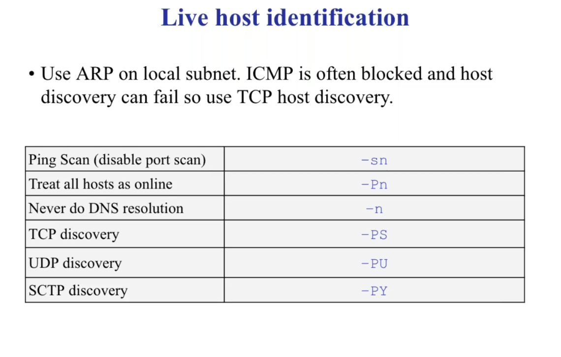
8 | DNS enumeration API | curl --request GET \ --url 'https://api.securitytrails.com/v1/history/oracle.com/dns/a?apikey=api_key_here'' | https://securitytrails.com/app/signup
9 | Referance | https://securitytrails.com/blog/dns-enumeration
 |  | import requests url = "https://api.securitytrails.com/v1/history/oracle.com/dns/a" querystring = {"apikey":"your_api_key"} response = requests.request("GET", url, params=querystring) print(response.text)

10 | nmap | -sn , -Pn , -n, -PS , -PU , -PU , -PY | nmap -Pn -sV -F <targetip> -oN nmapresult.txt | >>>>>>>>>>>>
11 | netcat
12 | dmitry | dmitry -pf <target.com>
 | nmap zombi scan or idel scan | nmap -sI (Zaombi scan )
 |  | nmap -zP Ping scan

13 | web server detection | idserve.exe

